DroidCam Tutorial
How to Use/Setup DroidCam

Step 1 : | Search DroidCam to your Desktop.

Step 2 : | Open the DroidCam it will Pop up like this.
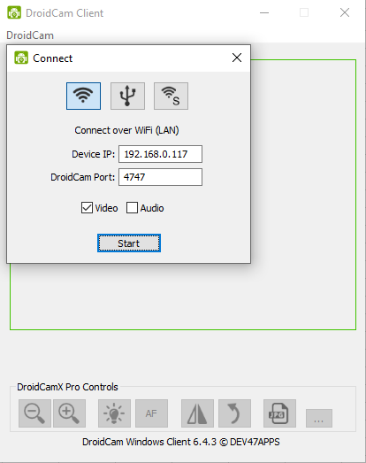

Step 3 : | After you open the DroidCam in your PC proceed to your Phone.
 | Download link for DroidCam in Computer/Mobile Phone

 | WINDOWS INSTALLER : https://www.dev47apps.com/droidcam/windows/
 | ANDROID INSTALLER : https://play.google.com/store/apps/details?id=com.dev47apps.droidcam&hl=en&gl=US

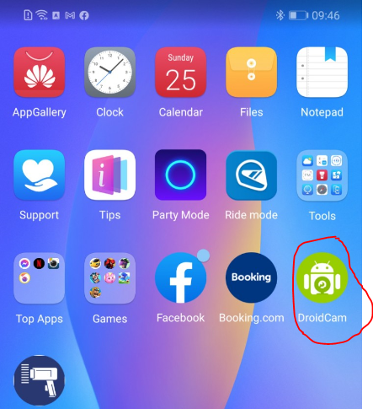

Step 4 : | Open DroidCam to your Mobile Phone. You will see WiFi IP and DroidCam Port.
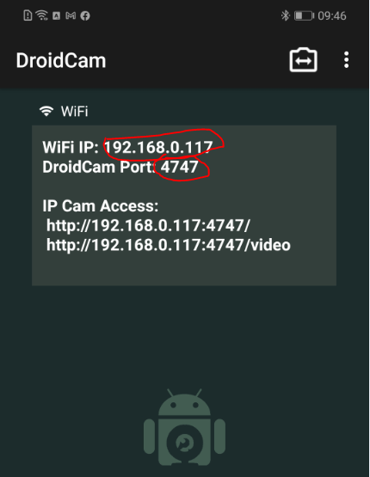

 |  | Don’t forget that you need to open always your wifi while using this App.

Step 5 : | Proceed to your Computer and Go to DroidCam. Input the WIFI IP and PORT and Choose if you will input audio with the Video

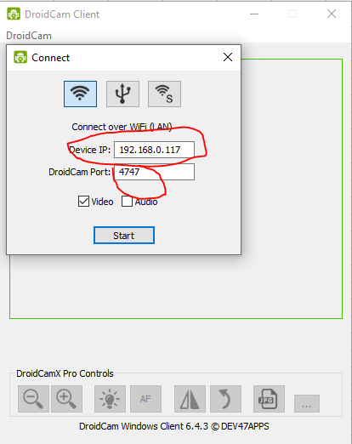

Step 6 : | Connect and wait until it start connecting.

 | DONE

